GMOT
Grass Measurement Optimisation Tool
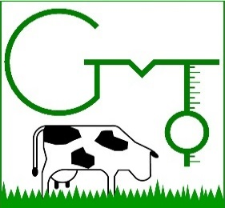
 | ycoord |  | 1 |  | 2 |  | 3
582642.91358 | 600914.80507 | 582693.45836 | 600912.16914 | 582744.00314 | 600909.53321 | 582794.54792 | 600906.89728
582845.05924 | 600904.26309 | 582695.70807 | 600957.14391 | 582746.25285 | 600954.49163 | 582796.79763 | 600951.83936
582847.37586 | 600949.18533
582645.16329 | 600959.79618
582642.91358 | 600914.80507
B
 |  | Paddock Name
 |  | Paddock 38 C
 |  | Measure System
 |  | Rising plate meter
 |  | Measurement Protocol Details
C
 |  | Sample rate | 16 | /Ha
RESET
 |  | Est. grass height | 100 | mm
 |  | Target post height | 40 | mm
MAP
 |  | Calibration | Monthly
 |  | Month | Sep
ORDER
 |  | Max optimise time | 1 | mins
 |  | Pasture Estimations
OPTIMISE
 |  | Herbage mass | 1,585 | kg DM/Ha
RE-CALC
 |  | Measure error | 3%
SAVE
 |  | Cal error | -6%
 |  | Actual error | -3%
A
D
 |  | Survey Results
 |  | Distance | 482 | m/Ha
 |  | Time | 4 | mins/Ha
 |  | Labour cost | 1.00 | €/Ha
 |  | Error cost | 8.93 | €/Ha
 |  | Survey value | 264 | €/Ha

`

 | `

